Sheet1
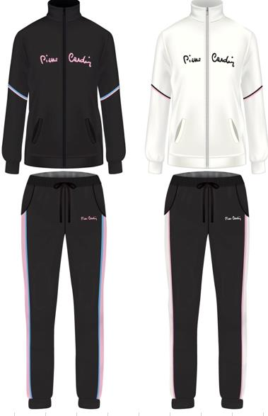
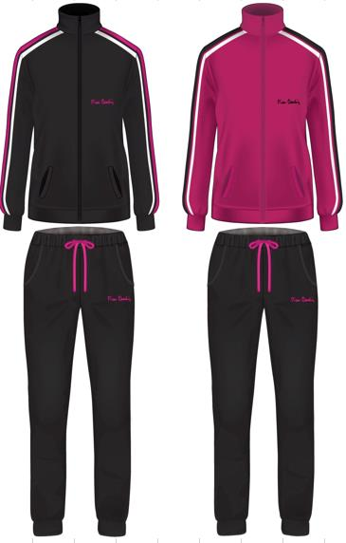
Picture | Item code | Description | Extra information | Restriction | Stock | Sales price EXW | Retail price | Barcode | Quantity PU | Quantity pallet | Pallet | Origin | Customs code | Item weight | Languages on package | Group
 | S-10191 | PIERRE CARDIN sweater with zip and long women's pants, 60% cotton and 40% polyester, mixed colours | PCHW1200F |  | 420 | 12.5 |  |  | 32 | 192 | Wegwerppallet 120x80 | IND | 61083100 | 1000 |  | PIERRE CARDIN sweater with zip and long women's pants
 | S-10192 | PIERRE CARDIN sweater with zip and long women's pants, 60% cotton and 40% polyester, mixed colours | PCHW1300F |  | 340 | 12.5 |  |  | 32 | 192 | Wegwerppallet 120x80 | IND | 61083100 | 1000 |  | PIERRE CARDIN sweater with zip and long women's pants

